Sheet1
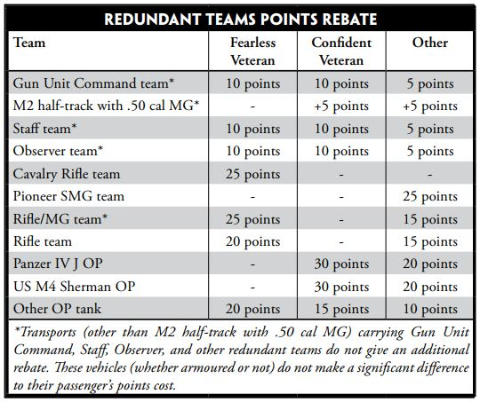
Player Name |  |  | Points | 1625
Primary Formation Name
Unit Name | Book Points | Rebate Points | Adjusted Points | Adjusted %
 |  |  | 0 | 0.0%
 |  |  | 0 | 0.0%
 |  |  | 0 | 0.0%
 |  |  | 0 | 0.0%
 |  |  | 0 | 0.0%
 |  |  | 0 | 0.0%
 |  |  | 0 | 0.0%
 |  |  | 0 | 0.0%
Primary Formation Total Points |  |  | 0 | 0.0%
Secondary Formation Name
Unit Name | Book Cost | Rebate Points | Adjusted Cost | %
 |  |  | 0 | 0.0%
 |  |  | 0 | 0.0%
 |  |  | 0 | 0.0%
 |  |  | 0 | 0.0%
 |  |  | 0 | 0.0%
 |  |  | 0 | 0.0%
 |  |  | 0 | 0.0%
 |  |  | 0 | 0.0%
Secondary Formation Total Points |  |  | 0 | 0.0%
Support Units
Unit Name | Book Cost | Rebate Points | Adjusted Cost | %
 |  |  | 0 | 0.0%
 |  |  | 0 | 0.0%
 |  |  | 0 | 0.0%
 |  |  | 0 | 0.0%
 |  |  | 0 | 0.0%
 |  |  | 0 | 0.0%
 |  |  | 0 | 0.0%
 |  |  | 0 | 0.0%
 |  |  | 0 | 0.0%
Support Units Points Total |  |  | 0 | 0.0%
Grand Total |  |  | 0 | 0.0%

